ProV3_New
Id | Designator | Footprint | Quantity | Designation | 1010pcs
1 | R15 | R_0603_1608Metric | 1 | 1R
2 | C17,C16,C24,C20,C26,C22,C27,C21,C23,C25,C8,C11,C9,C13 | C_0402_1005Metric | 14 | 100nF
3 | R130 | R_0402_1005Metric | 1 | 10K %1
4 | R169,R171,R158,R2,R3,R36,R18,R40,R19,R35,R20,R43,R119,R44,R164,R41,R124,R159,R155,R122,R49,R95,R101,R61,R67,R72,R65,R58,R63,R62,R100,R70,R97,R94,R104,R80,R98,R71,R96,R82,R47,R78,R64,R66,R68,R107,R60,R55,R99,R59,R69,R137,R136 | R_0603_1608Metric | 53 | 10K
5 | R109,R5,R4,R113,R123,R25,R9,R126,R7,R54,R46,R127,R11 | R_0603_1608Metric | 13 | 0R
6 | C138,C137,C134,C141,C142,C136,C132,C130,C133,C135,C112,C129,C113,C131 | C_0402_1005Metric | 14 | 10uF
7 | U19,U13,U12 | RJ45_Transformer_2_Port | 3 | TF-218DG
8 | C4,C12,C6,C154,C149 | C_0603_1608Metric | 5 | 4.7uF
9 | R133,R139,R131,R134 | R_0402_1005Metric | 4 | 0R
10 | C92,C93 | S102K33Y5PP63K5R | 2 | 1000PF 2KV
11 | C171,C174 | C_0603_1608Metric | 2 | 0.33uF 16V
12 | D23,D24 | LL4148 | 2 | LL4148
13 | IC2 | QFN-48-1EP_7x7mm_P0.5mm_EP5.6x5.6mm | 1 | MS1836S_QFN48-7x7
14 | C84,C170,C30,C172,C169,C29 | C_0603_1608Metric | 6 | 1uF/50V
15 | D28,D29 | S6MC | 2 | S6MC
16 | FL4,FL3 | BLM18AG102BH1D | 2 | BLM18PG121SN1D
17 | D15,D14,D17,D16 | D_SOD-123 | 4 | B5819W
18 | R116,R53,R125,R45,R112,R108, R146 | R_0603_1608Metric | 6 | 100R
19 | R30,R31 | R_0402_1005Metric | 2 | 2.2R
20 | U1 | CM3568 | 1 | ~ | Fatih supply this part
21 | R57,R115,R52,R110,R111,R114,R51,R102,R75,R73,R103,R76,R74,R56 | R_0603_1608Metric | 14 | 75R
22 | R150,R148,R152,R149,R153,R147,R151 | R_0603_1608Metric | 7 | 220R
23 | C48,C47,C43,C44,C46,C116,C109,C56,C49,C182,C183,C51,C103,C58,C42,C104,C126,C60,C40,C59,C45,C52,C118,C55,C41,C50,C119,C54,C124,C110,C57,C120,C143,C106,C117,C125,C102,C101,C105,C121,C144,C108,C107,C127,C1,C31,C2,C3,C161,C160,C158,C163,C147,C148,C159,C157,C156,C165,C150,C152,C162 | C_0603_1608Metric | 61 | 0.1uF
24 | C18,C128,C19,C53,C139,C140 | C_0603_1608Metric | 6 | 1uF
25 | PS3 | SOT95P280X145-5N | 1 | TLV75712PDBVR
27 | J16,J15 | LED_4_Block | 2 | Conn_01x08_Socket
28 | D11,D10 | DIOM5336X244N | 2 | SS54B
29 | C39,C61 | C_0603_1608Metric | 2 | 33pF
30 | R21,R48,R13,R12,R10,R24,R89,R90,R83,R93,R84,R23,R92,R85,R91,R81,R106,R77,R42,R37,R86,R105,R38,R88,R79,R39,R87,R170,R172, R132 | R_0603_1608Metric | 30 | 1K
31 | J13 | PinSocket_2x04_P2.00mm_Vertical_SMD | 1 | FEMALE SMD Pin Header
33 | D19,D20,D21,D18 | D_SMA | 4 | SMAJ30CA
34 | TP5,TP15,TP13,TP4,TP1,TP14,TP7,TP3,TP2,TP9,TP11,TP12,TP8,TP10,TP6 | Pin_D1.0mm_L10.0mm | 15 | TestPoint
35 | C145,C146,C179 | C_0603_1608Metric | 3 | 22pF
36 | Q4,Q3,Q5,Q2 | MMBT2222ALT1G | 4 | MMBT2222ALT1G
37 | R22,R173,R167,R29,R26,R154,R50 | R_0603_1608Metric | 7 | DNP
38 | C180,C181,C62,C69 | C_0603_1608Metric | 4 | 22uF
39 | C38,C36,C99,C77,C100,C98,C74,C178,C111,C75,C97,C96,C95 | C_0603_1608Metric | 13 | 100nF
40 | R17,R16 | R_0603_1608Metric | 2 | 27R
41 | J30,J29,J35 | MountingHole_3.2mm_M3_ISO7380_Pad | 3 | Screw_Terminal_01x01
42 | Q1 | 2N3904S-RTKPS | 1 | 2N3904S-RTK/PS
43 | R143 | R_0402_1005Metric | 1 | 75R
44 | C164 | C_0603_1608Metric | 1 | DNP
45 | C10,C7,C37,C151,C155 | C_0603_1608Metric | 5 | 10uF
46 | C76,C66,C63,C68,C71,C72,C73,C67,C65,C64,C81,C78,C91,C86,C70,C89,C87,C88,C90,C85,C79,C80 | C_0402_1005Metric | 22 | 0.1uF
47 | U18 | 2_Block_RJ45 | 1 | ~ |  | 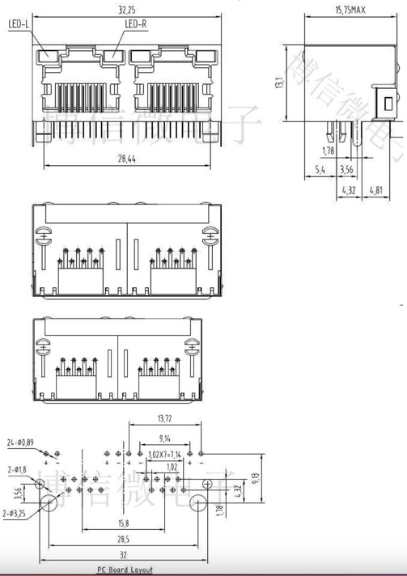
48 | U3,U2 | SOT-23 | 2 | TLV76033DBZT
49 | D30,D6,D13,D12 | ESD5341N | 4 | ESD5341N
50 | J2,J26,J20,J18,J19 | AV_CON | 5 | Phono _RCA_ Jack Mono Connector Solder |  |  | 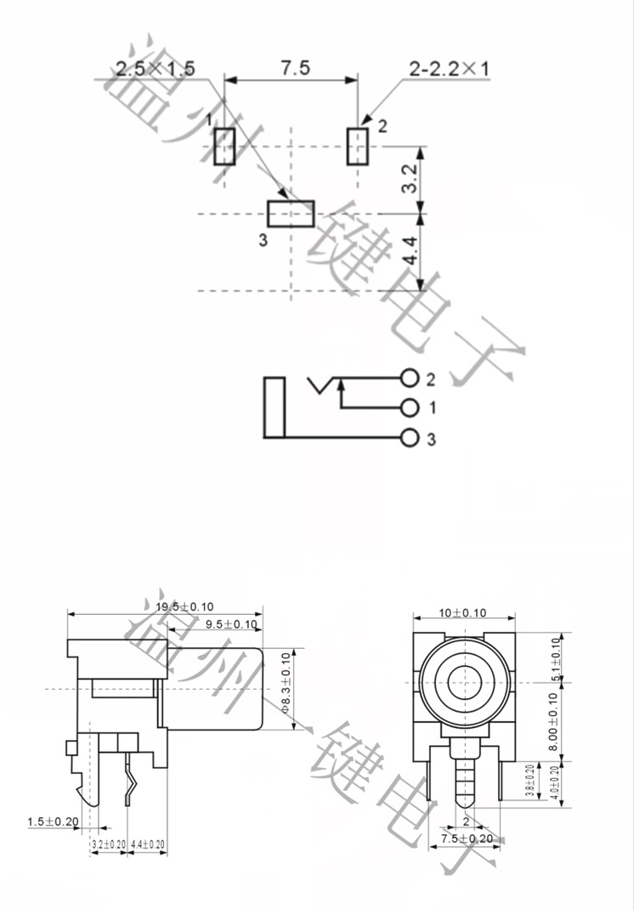
51 | R162 | R_0603_1608Metric | 1 | 1.6K
52 | D22 | ESD5451N | 1 | ESD5451N
54 | R135 | R_0603_1608Metric | 1 | 330R %1
55 | L6 | L_0603_1608Metric | 1 | UPZ1608E101-3R0TF
56 | U5 | RP2040-QFN-56 | 1 | RP2040
57 | J27 | PinHeader_1x07_P1.00mm_Vertical | 1 | DNP
58 | D26,D27 | D_0603_1608Metric | 2 | MRA4007T3G
59 | D4,D5,D7,D2,D1,D8,D9 | 2SS100LW | 7 | 2SS100L-W
60 | R14 | R_0603_1608Metric | 1 | 200R
62 | K1,K3 | HF46F5HS1 | 2 | HF46F_5-HS1
63 | IC3 | RTL8309N | 1 | RTL8309N
64 | J22,J21 | PinSocket_2x04_P2.54mm_Vertical_SMD | 2 | FEMALE SMD Pin Header
65 | J32 | PinHeader_1x02_P2.54mm_Vertical | 1 | DNP
66 | C166,C35,C94 | C_0603_1608Metric | 3 | 10pF
67 | R34,R33,R32,R120,R118,R117,R27,R28 | R_0603_1608Metric | 5 | 4.7K
68 | U4 | Oscillator_SMD_EuroQuartz_XO32-4Pin_3.2x2.5mm | 1 | 3N27000G33YC
71 | C83,C28 | C_Elec_10x10.2 | 2 | 220uF/50V
72 | C177,C176,C175 | C_0603_1608Metric | 3 | 10uF /16V
73 | J10 | SMA_Connector_inner_pin_right_angle | 1 | SMA Connetor_inner_hole |  |  | 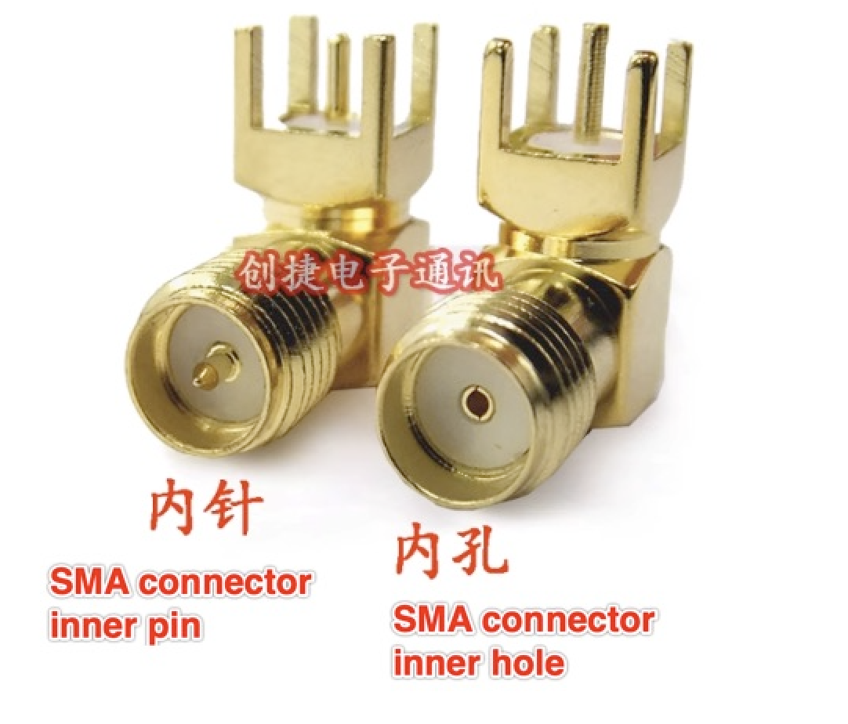 |  | 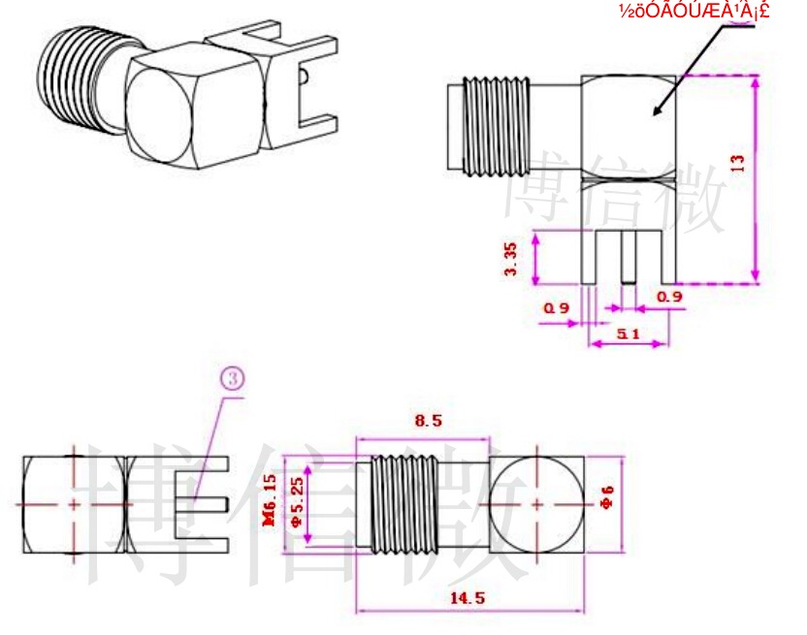 | 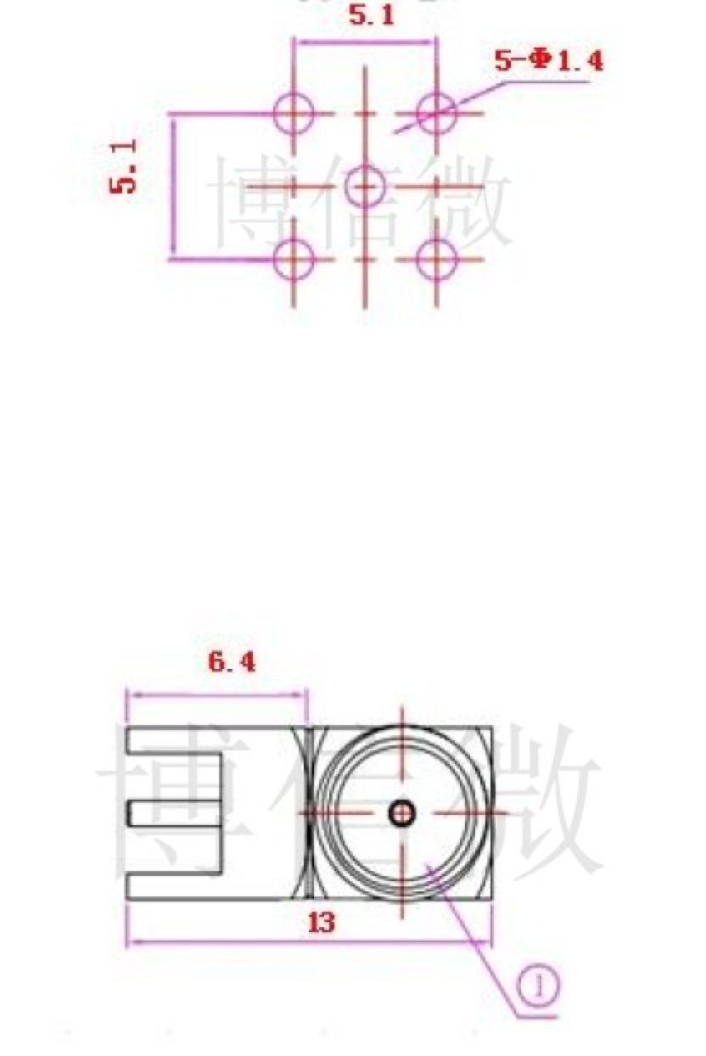 | 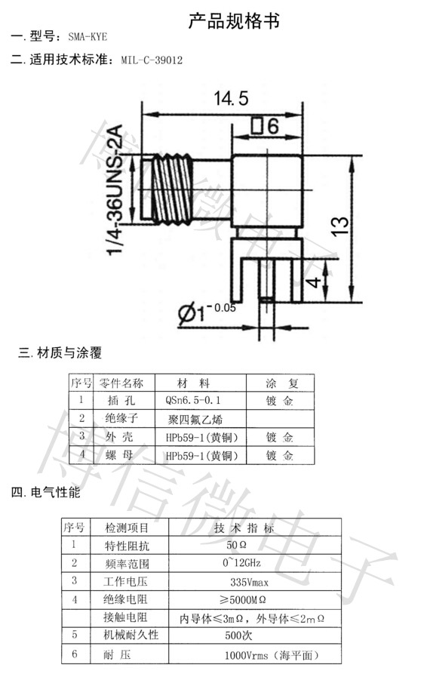
74 | C32,C82 | C_Elec_8x10.2 | 2 | 330uF/25V
75 | R168 | R_0603_1608Metric | 1 | 2K
76 | C153 | C_0603_1608Metric | 1 | 10nF
77 | R8,R6 | R_0603_1608Metric | 2 | 2.49K 1%
78 | U6 | SOIC127P600X175-8N | 1 | MAX485E
80 | R157,R160 | R_0603_1608Metric | 2 | 470R
81 | U17 | 4_Block_RJ45 | 1 | RJ45-4-Block |  |  | 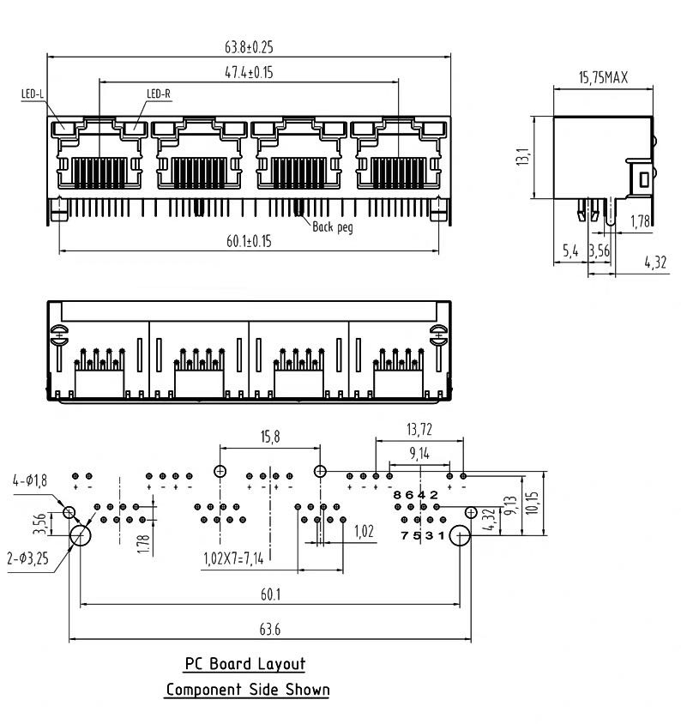 | 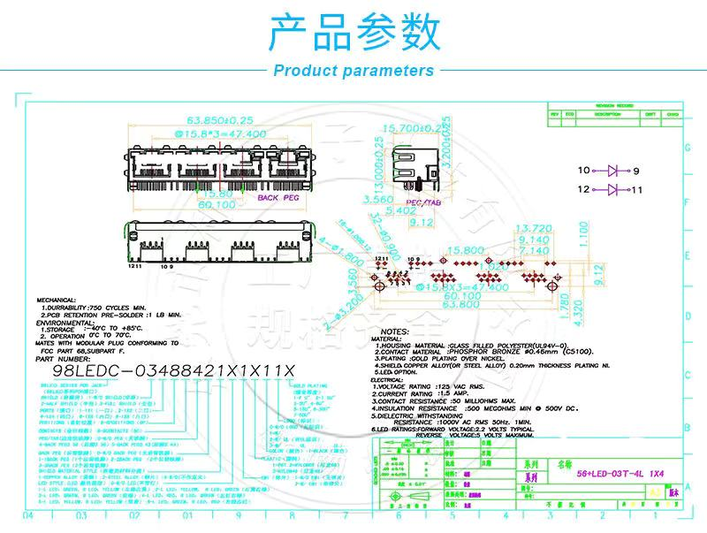
82 | Y2 | Crystal_SMD_3225-4Pin_3.2x2.5mm | 1 | X322527MSB4SI
83 | S1 | TS-1101-C-W | 1 | TS-1101-C-W
84 | J4 | PinSocket_1x05_P2.00mm_Vertical | 1 | DNP
85 | L7 | L_0603_1608Metric | 1 | MLI1608F-1R2KT
86 | R166 | R_0603_1608Metric | 1 | 51K_1%
87 | J6 | PinHeader_2x20_P1.27mm_Vertical | 1 | MALE SMD Pin Header
88 | R138,R129 | R_0402_1005Metric | 2 | DNP
89 | R144 | R_0603_1608Metric | 1 | 100K
90 | C184 | CP_Elec_6.3x7.7 | 1 | 220uF/16V
92 | C122,C123 | C_0603_1608Metric | 2 | 8pF
93 | U15,U10 | TO-263-5_TabPin3 | 2 | XL4015
95 | J17 | JST_PH_B2B-PH-K_1x02_P2.00mm_Vertical | 1 | Conn_01x02_Socket
96 | R163 | R_0603_1608Metric | 1 | DNP
97 | J12 | KF2EDGH-3.81_8P | 1 | Conn_01x08_Socket
99 | J1 | PinSocket_2x07_P2.54mm_Vertical_SMD | 1 | FEMALE SMD Pin Header
100 | J33 | PinSocket_2x02_P2.54mm_Vertical_SMD | 1 | FEMALE SMD Pin Header
101 | U8 | SOP95P275X110-6N | 1 | NL27WZU04DTT1G
102 | C15,C14 | C_0603_1608Metric | 2 | 27pF
103 | FL1 | DLW31SH222SQ2L | 1 | DLW31SN900SQ2L
104 | J28,J23 | Screw_terminal_shinbo | 2 | M3x*0.5 L=10 |  | 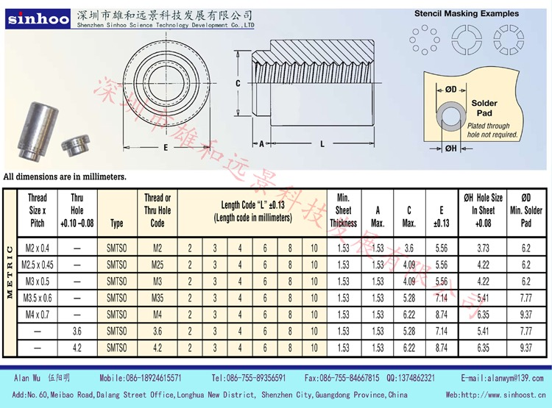
105 | R161 | R_0603_1608Metric | 1 | 15K
107 | U14 | SOT-23-5 | 1 | RT9013-12GB
108 | L3,L2 | L_Bourns_SRR1208_12.7x12.7mm | 2 | 47uH 5A
109 | R165 | R_0603_1608Metric | 1 | 232K_1%
110 | R128 | R_0603_1608Metric | 1 | 560K
111 | U7 | SOIC-8_5.23x5.23mm_P1.27mm | 1 | W25Q128JVS
112 | D25 | LED_0603_1608Metric | 1 | LED
113 | J11 | KF2EDGR-Y-5.08-3P-Right Angle | 1 | Conn_01x03_Socket
114 | J3 | PinSocket_2x04_P2.54mm_Vertical_SMD | 1 | DNP
115 | L9 | L_0603_1608Metric | 1 | 2.7nH
116 | R145 | R_0603_1608Metric | 1 | 1K %5
117 | Y4 | Crystal_SMD_3225-4Pin_3.2x2.5mm | 1 | 25MHz
118 | J14 | KH-MICRO5P-JN | 1 | KH-MICRO5P-JN
119 | L8 | Inductor_0402_4.7uH | 1 | HA42-4R7MT
120 | PS2 | SOT94P279X130-5N | 1 | RT9013-33GB
121 | J34 | PinSocket_1x03_P2.54mm_Vertical_SMD_Pin1Left | 1 | FEMALE SMD Pin Header
122 | R142 | R_0603_1608Metric | 1 | 22R
124 | L4,L5 | L_0603_1608Metric | 2 | FB/100R
125 | U6B1 | N4 | 1 | Nextchip N4
126 | J5 | RJ45_Amphenol_54602-x08_Horizontal | 1 | RJ45
127 | C114,C115 | C_0402_1005Metric | 2 | 4.7uF
128 | J25 | PinHeader_2x02_P2.54mm_Vertical_SMD | 1 | DNP
129 | IC5 | SOT95P285X100-6N | 1 | SY8113B
130 | R156 | R_0603_1608Metric | 1 | 3.3K 1%
131 | J7 | KF2EDGH-3.81-2P | 1 | Conn_01x02_Socket
132 | IC1 | SN74LVC125APWR | 1 | SN74LVC125APWR
133 | J9 | RTL8188EU | 1 | Conn_01x06_Pin
134 | J31 | PinSocket_2x01_P2.54mm_Vertical_SMD | 1 | DNP
135 | C5 | CAPPRD508W154D1200H850 | 1 | FYD0H473ZF
136 | R141,R140 | R_0603_1608Metric | 2 | 2.2K
139 | Y1 | Crystal_SMD_3225-4Pin_3.2x2.5mm | 1 | 12000Mhz
140 | J24 | CP-USB-3015 | 1 | USB 3.0 AF |  | 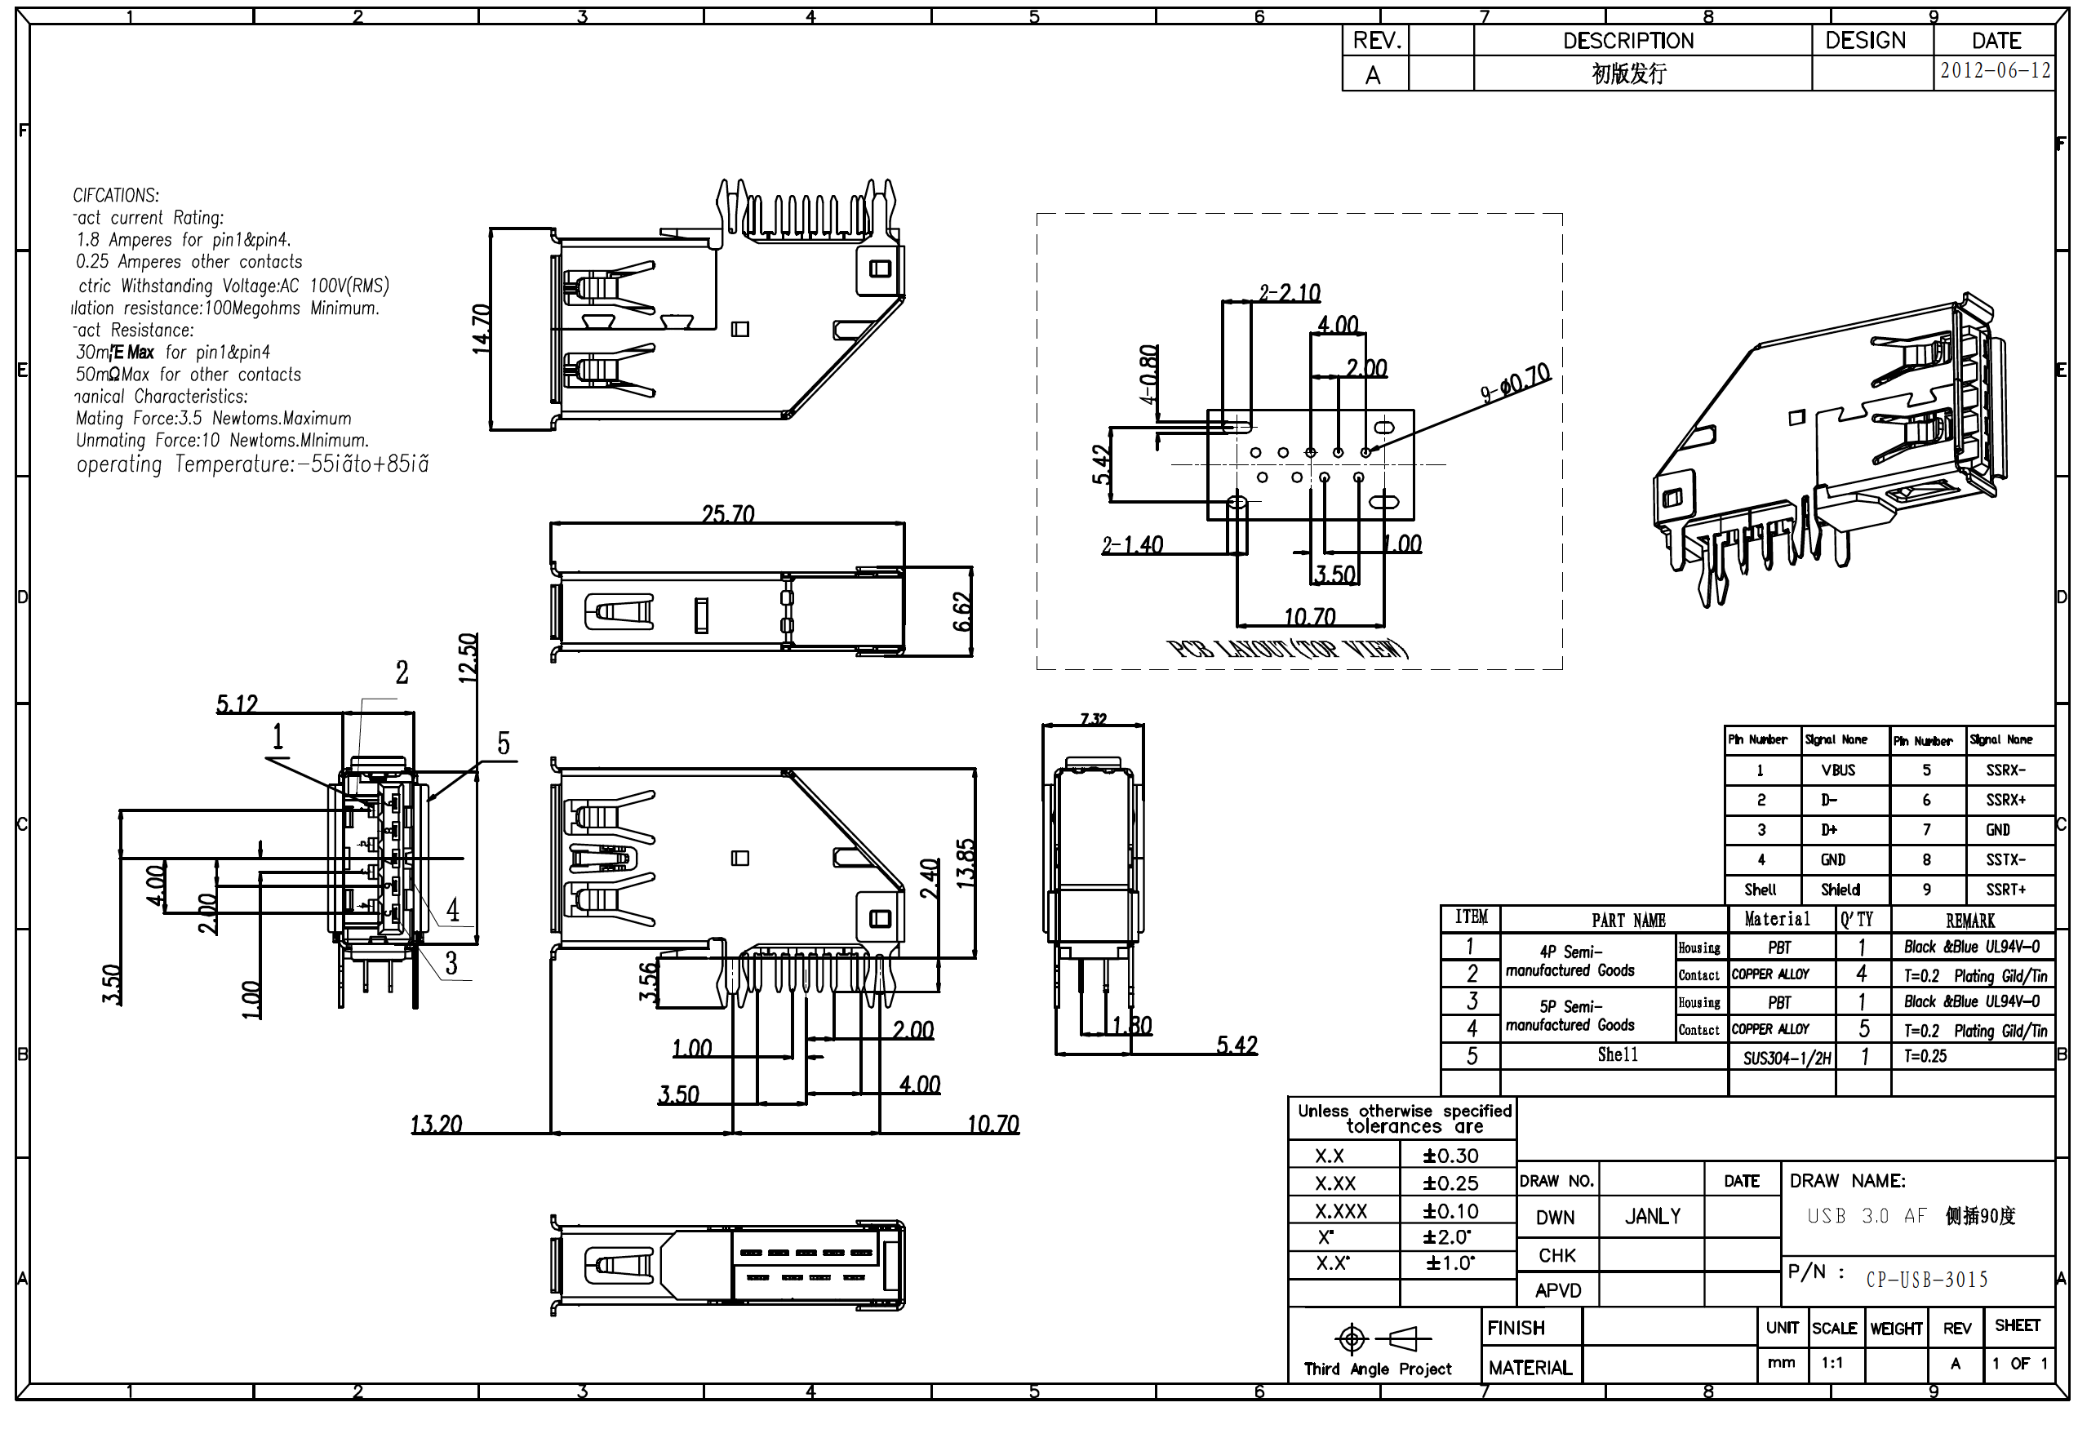
141 | FB1 | BEADC3216X130N | 1 | HI1206N101R-10
142 | J8 | TE_1-2199119-5 | 1 | APCI0079-P002A J8900 M.2 M Key
143 | R1 | R_0603_1608Metric | 1 | 150R
144 | U16 | SATA_Connector_5622-1200-ML | 1 | 5622-1200-ML
145 | R121 | R_0402_1005Metric | 1 | DNP
146 | U11 | module_mpu6050 | 1 | DNP
147 | D3 | DIOM4325X250N | 1 | SS14

